Question
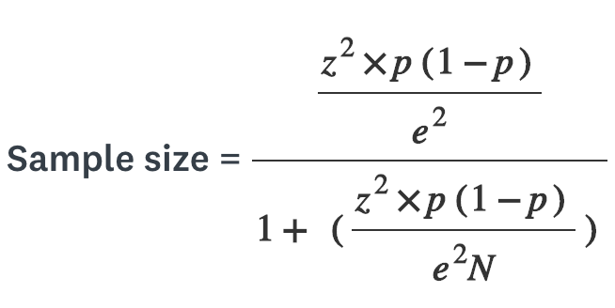

Sample Size = ???

Given That,
Population Size = 2400
Confidence Level = 95%
Population Proportion = 0.5
Error = 0.04

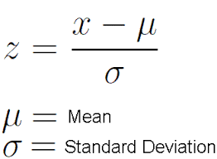
Z=? | Z score |  |  | Alpha by 2 = | (1-confidence level )
p= | Population proportion
e= | Margine of error |  |  | Z= | Std. Normal Cumulative Distribution * ( 1- (alpha by 2)) | [=NORM.S.INV(1-L14)]
N= | Population Size

Confidence Level |  | 95%
 |  |  | A Standard Normal Distribution is a type of normal distribution with a mean of 0 and a standard deviation of 1.

Sample Size = |  | n=
 |  | d=

